BV ARD COC - Statics Tests
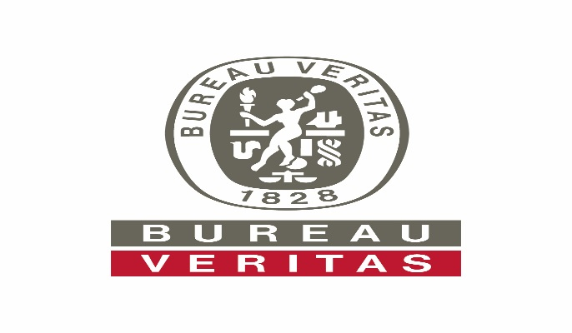
 |  | ARD SAMPLE REQUISITION and CHAIN OF CUSTODY FORM |  |  |  |  |  |  |  |  |  |  |  |  |  |  | INVOICE TO (Company Name): |  |  |  |  |  |  |  |  |  |  |  |  |  | Page: 1 of 1 LAB USE ONLY |  | RMD Reference No.:
 |  | Bureau Veritas, 4606 Canada Way, Burnaby, BC V5G 1K5 **DELIVER TO SOUTH SIDE** |  |  |  |  |  |  |  |  |  |  |  |  |  |  | Contact Name: |  |  |  |  |  |  |  |  |  |  |  |  |  | Client #:
 |  | Phone: (604) 734-7276 Fax: (604) 731-2386 |  |  |  |  |  |  |  |  |  |  |  |  |  |  | Email Address: |  |  |  |  |  |  |  |  |  |  |  |  |  | LIMS Quote #:
 |  | E-mail: ARD@bureauveritas.com |  |  |  |  |  |  |  |  | ENV COC - 00029/5 - STATIC |  |  |  |  |  | Mailing Address: |  |  |  |  |  |  |  |  |  |  |  |  |  | ARD Job #:

Report to (Company): |  |  |  | Project Name/#: Site Location: |  |  |  |  | Analysis Requested
Address: |  |  |  |  |  | BV Quote #: |  |  | Rinse pH on <2mm fraction (MEND method) | Rinse EC on <2mm fraction (MEND method) | Sobek ABA Package [Paste pH, Total S (by Leco) & NP] | Modified Sobek ABA Package [Paste pH, Total S (by Leco) & NP] | Siderite Corrected NP | Full Sulphur Speciation | Sulphate Sulphur (Sulphide Sulphur by difference) | Sulphate Sulphur by Pyrolysis (TC008) | Na2CO3 Extractable Sulphur | Total Sulphur (stand alone outside of ABA Package) (TC000-S) | Total Carbon (TC000-C) | Total Inorganic Carbon - (CO2 HCl Method) (TC006) | Single Addition NAG | NAG Extract Analysis | Sequential NAG | Trace Metals on solids by Aqua Regia Digestion (AQ200) | Ultra Trace Metals on solids by Multi-Acid Digestion (MA250) | Ultra Trace Metals on solids by Aqua Regia Digestion (AQ250) | Whole Rock - Majors by Fusion & ICP (LF300) | Whole Rock - Majors by XRF (XF700) | Water Extraction: MEND SFE | Water Extraction: SPLP | Water Extraction: MWMP | Mineralogy: QEMSCAN Bulk Mineral Analysis | Mineralogy: Optical Microscopy | Mineralogy: Rietveld XRD | Particle Size Analysis (Dry Sieving)(As received)
 |  |  |  |  |  | PO #:
Telephone: |  |  |  |  | Fax:
Email:
Contact Person:
 | Sample ID |  |  |  |  |  | Sample Wt. (kg) | Sample Type & Condition
 | BV ID |  | Client ID
1
2
3
4
5
6
7
8
9
10
11
12
13
14
15
16
17
18
19
20
21
22
23
24
25
26
27
28
29
30
Relinquished by: |  |  |  |  |  |  |  | Date: |  |  |  |  | Time: |  |  |  | Special Procedures (Describe Below): |  |  |  |  |  |  |  |  |  |  |  |  |  |  |  | Turn Around Time (TAT):
Received by: |  |  |  |  |  |  |  | Date: |  |  |  |  | Time: |  |  |  |  |  |  |  |  |  |  |  |  |  |  |  |  |  |  |  |  | Regular
Relinquished by: |  |  |  |  |  |  |  | Date: |  |  |  |  | Time:
Received by: |  |  |  |  |  |  |  | Date: |  |  |  |  | Time: |  |  |  |  |  |  |  |  |  |  |  |  |  |  |  |  |  |  |  |  | Rush

 | IMPORTANT INFORMATION FOR SHIPPING SAMPLES TO BUREAU VERITAS’ ARD LAB RECEIVING FACILITY IN BURNABY, BC PREPARING YOUR SAMPLES FOR SHIPPING: • Solid samples for testing should be packaged in well-sealed, sturdy plastic bags. Ensure that labels are well written on bags and, if possible, that a sample label is also included inside each sample bag. Do not ship samples in metal or glass containers. • Ship only the sample mass that is required – enquire with ARD@bureauveritas.com regarding the sample weight needed for the testing. • Every shipment must include a completed Chain of Custody form. • In addition to shipping a hardcopy of the COC with the samples, please also send an electronic copy of the COC to ARD@bureauveritas.com CHAIN OF CUSTODY (COC) FORMS: A copy of the ARD COC for solid samples can be downloaded at: https://www.bvna.com/environmental-laboratories/resources/chain-custody-forms-cocs To ensure your samples are processed correctly and without delay, please ensure the following fields are accurate and complete, on every COC: • PROJECT INFORMATION (Top Left of COC): Company name, Project Name & ID Number, Address, Telephone as well as the Project Contact Names and Emails. • INVOICING INSTRUCTIONS (Top of COC form): Mailing address to send invoice, and the name and email for contact in accounting. SHIPMENT TRACKING INFORMATION (WAYBILL OR BILL OF LADING): Please provide ARD@bureauveritas.com with the carrier name and tracking number so that the shipment can be tracked. BUREAU VERITAS LABORATORIES’ ARD LAB SHIPPING ADDRESS: Bureau Veritas - ARD Receiving 4606 Canada Way, Burnaby, BC, V5G 1K5 (Deliver to south side) Work submitted with this COC are subject to BV's Terms and Conditions at https://www.bvna.com/environmental-ih-laboratories/resources/coc-terms-and-conditions

