COC1100-DW Burnaby
 |  |  |  |  |  |  |  |  |  |  |  |  |  |  |  |  |  |  |  |  |  |  |  |  |  | DRINKING WATER SUBMISSION
 |  | Burnaby: 4606 Canada Way, Burnaby, BC V5G 1K5 Toll Free: (833) 282-5227 |  |  |  |  |  |  |  |  |  |  | ENV COC - 00022/2 - COC1100 |  |  |  |  |  |  |  |  |  |  |  |  | CHAIN OF CUSTODY RECORD
 |  |  |  |  |  |  |  |  |  |  |  |  |  |  |  |  |  |  |  |  |  |  |  |  |  | Page: |  | of

 |  | Invoice To: Require Report? |  |  |  |  |  |  |  |  |  |  |  | Report To:
Company Name: |  |  |  |  |  |  |  |  |  | Company Name: |  |  |  |  |  |  |  |  |  |  |  |  |  |  | PO #:
Contact Name: |  |  |  |  |  |  |  |  |  | Contact Name: |  |  |  |  |  |  |  |  |  |  |  |  |  |  | Quotation #:
Address: |  |  |  |  |  |  |  |  |  | Address: |  |  |  |  |  |  |  |  |  |  |  |  |  |  | Project # :
 |  |  |  |  | PC: |  |  |  |  |  |  |  |  |  |  |  |  |  | PC: |  |  |  |  |  | Proj. Name:
Phone / Fax#: |  |  | Ph: |  | Fax: |  |  |  |  | Phone / Fax#: |  |  |  | Ph: |  |  |  | Fax: |  |  |  |  |  |  | Location:
E-mail |  |  |  |  |  |  |  |  |  | E-mail |  |  |  |  |  |  |  |  |  |  |  |  |  |  | Sampled by:

After Hours Contact #:
 |  |  |  |  |  |  |  |  |  |  |  |  |  |  |  |  |  |  |  |  |  |  |  | LAB USE ONLY
SERVICE REQUESTED: (mark "X" in box next to requred TAT) |  |  |  |  |  |  |  |  |  |  |  |  |  |  |  |  |  |  |  |  |  |  |  | BV JOB #:
 |  |  | Regular Turn Around Time (TAT) (5 days for most tests)
 |  |  | RUSH (Please contact the lab) |  |  |  |  |  |  |  |  | Select Yes/No in drop down list in cell/ spl |  |  |  | "X" in cell selects test
 |  | Choose from drop down list |  |  |  |  |  |  |  |  |  | Samples from a Drinking Water Source? Y/N | Does source supply multiple households? Y/N | Are individuals drinking this water? Y/N | Are you currently on a boil water advisory? Y/N | Drinking Water Package (incl Total Metals and Micro) | Total Coliform and E. coli | Number of Containers | Report Drinking Water Criteria DWG20 |  | MHO = Medial Health Officer; DWO = Drinking Water Officer
 | Surcharges will be applied |  |  |  |  |  |  |  |  |  |  |  |  |  |  |  |  |  |  |  |  | FRASER HEALTH AUTHORITY
Date Required: |  |  |  |  |  |  |  |  |  |  |  |  |  |  |  |  |  |  |  |  |  | MHO: 604.527.4806; DWO: 604.870.7900 or 1.866.749.7900
 |  |  |  |  |  |  |  |  |  |  |  |  |  |  |  |  |  |  |  |  |  | VANCOUVER ISLAND HEALTH AUTHORITY
SPECIAL INSTRUCTIONS: |  |  |  |  |  |  |  |  |  |  |  |  |  |  |  |  |  |  |  |  |  | MHO: 1.800.204.6166; DWO: 250.755.6215
Return Cooler |  |  |  | Ship Sample Bottles (please specify) |  |  |  |  |  |  |  |  |  |  |  |  |  |  |  |  |  | INTERIOR HEALTH AUTHORITY
 |  |  |  |  |  |  |  |  |  |  |  |  |  |  |  |  |  |  |  |  |  | MHO: 1.866.748.1691; DWO: 250.851.7338
 |  |  |  |  |  |  |  |  |  |  |  |  |  |  |  |  |  |  |  |  |  | NORTHERN HEALTH AUTHORITY
 | Water Type: Choose R = Raw OR T = Treated |  |  |  |  |  |  |  |  |  |  |  |  |  |  |  |  |  |  |  |  | MHO:250.565.7424 or 250.565.2000; DWO:250.565.2150
 | Sample Identification |  |  |  |  | Water Type | Date Sampled |  |  | Time Spled (24hr) |  |  |  |  |  |  |  |  |  |  |  | VANCOUVER COASTAL HEALTH AUTHORITY - also check off below if applicable
 |  |  |  |  |  |  | YYYY | MM | DD | HH | MM
1 |  |  |  |  |  |  |  |  |  |  |  |  |  |  |  |  |  |  | x |  |  | MHO: 604.527.4893; DWO: 604.983.6751
 |  |  |  |  |  |  |  |  |  |  |  |  |  |  |  |  |  |  |  |  |  | Coast Garibaldi, MHO: 604.885.8708 and DWO (below):
2 |  |  |  |  |  |  |  |  |  |  |  |  |  |  |  |  |  |  | x |  |  | Powell River: 604.485.3335 |  |  |  |  | Sechelt Area: 604.885.8711
 |  |  |  |  |  |  |  |  |  |  |  |  |  |  |  |  |  |  |  |  |  | Sea to Sky (Howe sound): 604.815.6841 or 604.892.2293 ext. 273
3 |  |  |  |  |  |  |  |  |  |  |  |  |  |  |  |  |  |  | x
 |  |  |  |  |  |  |  |  |  |  |  |  |  |  |  |  |  |  |  |  |  | North Shore: MHO 604.983.6751/604.983.6813 and DWO (below):
4 |  |  |  |  |  |  |  |  |  |  |  |  |  |  |  |  |  |  | x |  |  | Bowen Island, Lions Bay, Bella Bella: 604.904.6200 ext. 1265

5 |  |  |  |  |  |  |  |  |  |  |  |  |  |  |  |  |  |  | x |  |  | Mount Seymour, Indian Arm, Bella Coola, Anahim Lake: 604.904.6457

6 |  |  |  |  |  |  |  |  |  |  |  |  |  |  |  |  |  |  | x |  |  | Grouse Mountain and Municipal Systems: 604.904.6200 ext.1264

Unless otherwise agreed to in writing, work submitted on this Chain of Custody is subject to Bureau Veritas' standard Terms and Conditions. Signing of this Chain of Custody document is acknowledgment and acceptance of our terms available at https://www.bvna.com/coc-terms-and-conditions

y
Print name and sign |  |  |  |  |  |  | Print name and sign (laboratory use only) |  |  |  |  |  |  |  |  |  |  |  |  | Laboratory Use Only
*Relinquished by: |  |  |  | Date (yy/mm/dd): | Time (24hr): |  | Received by : |  |  |  |  |  |  | Date (yy/mm/dd): |  |  | Time (24hr): |  |  | Time |  |  | Temperature on Receipt (°C): |  |  |  | Custody Seal |  | Yes | No | N/A
 |  |  |  |  |  |  |  |  |  |  |  |  |  |  |  |  |  |  |  | Sensitive |  |  | A) B) C) |  |  |  | Present?
 |  |  |  |  |  |  |  |  |  |  |  |  |  |  |  |  |  |  |  |  |  |  | Just sampled & rec'd on ice: |  |  |  | Intact?
*IT IS THE RESPONSIBILITY OF THE RELINQUISHER TO ENSURE THE ACCURACY OF THE CHAIN OF CUSTODY. AN INCOMPLETE CHAIN OF CUSTODY MAY RESULT IN ANALYTICAL TAT DELAYS AND SAMPLES ANALYZED OUTSIDE REGULATORY HOLD TIMES.
COC-1100

COC-1100 Map Health Authorities
British Columbia Health Authorities

Maps of the Provincial Health Authorities

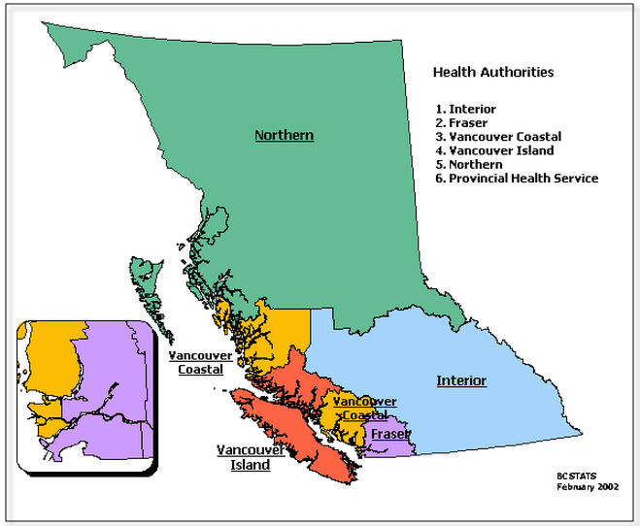

Click the link below for more details:
http://www.health.gov.bc.ca/socsec/provmap.html

Click the link below for more details:
http://www.health.gov.bc.ca/socsec/provmap.html

